TensorFlowBasics
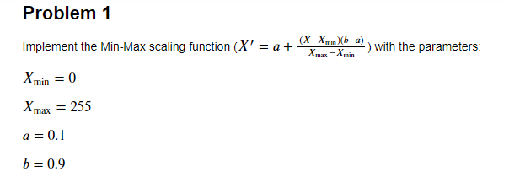
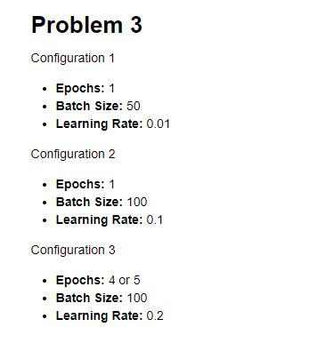
TensorFlow
 | Google released the deep learning framework as TensorFlow

 | Environment Setup in conda : |  |  | conda create --name=IntroToTensorFlow python=3 anaconda
 |  |  |  | source activate IntroToTensorFlow
 |  |  |  | conda install -c conda-forge tensorflow

 | Hello World Program : |  |  | import tensorflow as tf

 |  |  |  | # Create TensorFlow object called tensor
 |  |  |  | hello_constant = tf.constant('Hello World!')

 |  |  |  | with tf.Session() as sess:
 |  |  |  | # Run the tf.constant operation in the session
 |  |  |  | output = sess.run(hello_constant)
 |  |  |  | print(output)

 | Hello world in different type of constants :
 |  |  |  | # A is a 0-dimensional int32 tensor
 |  |  |  | A = tf.constant(1234)
 |  |  |  | # B is a 1-dimensional int32 tensor
 |  |  |  | B = tf.constant([123,456,789])
 |  |  |  | # C is a 2-dimensional int32 tensor
 |  |  |  | C = tf.constant([ [123,456,789], [222,333,444] ])

Above, you passed a tensor into a session and it returned the result. What if you want to use a non-constant? This is where tf.placeholder() and feed_dict come into place.

 | tf.placeholder()
 |  | tf.placeholder() returns a tensor that gets its value from data passed to the tf.session.run() function, allowing you to set the input right before the session runs.
 |  |  |  | import tensorflow as tf
 |  |  |  | x = tf.placeholder(tf.string)
 |  |  |  | y = tf.placeholder(tf.int32)
 |  |  |  | z = tf.placeholder(tf.float32)

 |  |  |  | with tf.Session() as sess:
 |  |  |  | output = sess.run(x, feed_dict={x: 'Test String', y: 123, z: 45.67})

 | TensorFlow Math
 |  | add, subtract, multiply, and divid
 |  |  | x = tf.add(5, 2) # 7
 |  |  | x = tf.subtract(10, 4) # 6
 |  |  | y = tf.multiply(2, 5) # 10
 |  | We can use above operators as :
 |  |  | tf.subtract(tf.cast(tf.constant(2.0), tf.int32), tf.constant(1)) # 1

 | Hands - on : write a code for z = (x/y -1)

 |  |  | # Quiz Solution
 |  |  | # Note: You can't run code in this tab
 |  |  | import tensorflow as tf

 |  |  | # TODO: Convert the following to TensorFlow:
 |  |  | x = tf.constant(10)
 |  |  | y = tf.constant(2)
 |  |  | z = tf.subtract(tf.divide(x,y),tf.cast(tf.constant(1), tf.float64))

 |  |  | # TODO: Print z from a session
 |  |  | with tf.Session() as sess:
 |  |  | output = sess.run(z)
 |  |  | print(output)

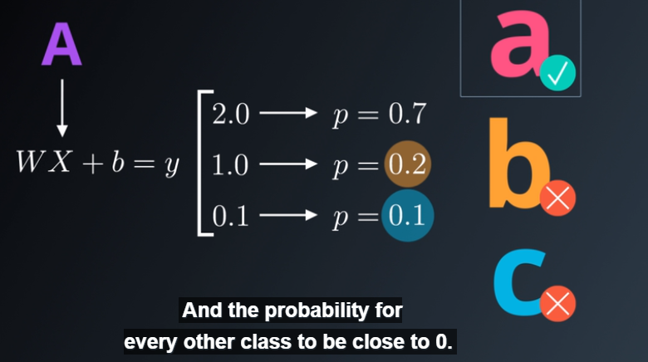
 | Logistic Classifier
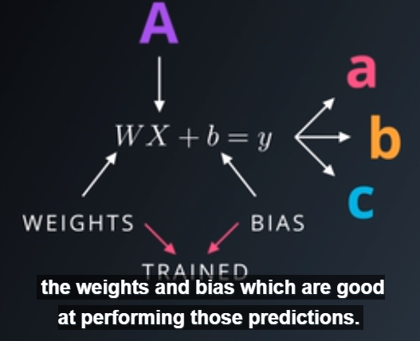

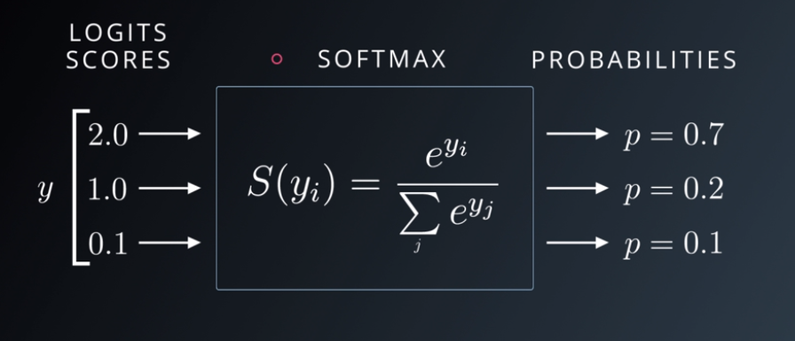

 | Transposition
 |  | We've been using the y = Wx + b function for our linear function.
 |  | But there's another function that does the same thing, y = xW + b. These functions do the same thing and are interchangeable, except for the dimensions of the matrices involved.
 |  | To shift from one function to the other, you simply have to swap the row and column dimensions of each matrix. This is called transposition

 |  | we actually use xW + b, because this is what TensorFlow uses.

 | The goal of training a neural network is to modify weights and biases to best predict the labels.
 | In order to use weights and bias, you'll need a Tensor that can be modified.

 | tf.Variable()
 |  | The tf.Variable class creates a tensor with an initial value that can be modified, much like a normal Python variable.
 |  | You'll use the tf.global_variables_initializer() function to initialize the state of all the Variable tensors.

 | Code : | init = tf.global_variables_initializer()
 |  | with tf.Session() as sess:
 |  | sess.run(init)

 | tf.truncated_normal()
 |  | choosing weights from a normal distribution prevents any one weight from overwhelming other weights
 |  | You'll use the tf.truncated_normal() function to generate random numbers from a normal distribution.

 | Code | n_features = 120
 |  | n_labels = 5
 |  | weights = tf.Variable(tf.truncated_normal((n_features, n_labels)))

 |  | The tf.truncated_normal() function returns a tensor with random values from a normal distribution whose magnitude is no more than 2 standard deviations from the mean.

 |  | Since the weights are already helping prevent the model from getting stuck, you don't need to randomize the bias. L

 | tf.zeros()

 | Code | n_labels = 5
 |  | bias = tf.Variable(tf.zeros(n_labels))

 |  | The tf.zeros() function returns a tensor with all zeros.

 | Instructions
 |  | Open quiz.py. |  |  |  |  |  | Solution : Separate file is created for solution "TensorLinearFunct.ipynb"
 |  | 1. Implement get_weights to return a tf.Variable of weights
 |  | 2. Implement get_biases to return a tf.Variable of biases
 |  | 3. Implement xW + b in the linear function

 |  | Open sandbox.py
 |  | 1. Initialize all weights

 |  | Since xW in xW + b is matrix multiplication, you have to use the tf.matmul() function instead of tf.multiply().

 |  | Don't forget that order matters in matrix multiplication, so tf.matmul(a,b) is not the same as tf.matmul(b,a).

 | Add/ Multiply arrays of different dimension
 |  | We can take advantage of an operation called broadcasting used in TensorFlow and Numpy.
 |  | This operation allows arrays of different dimension to be added or multiplied with each other

 |  | import numpy as np |  |  |  |  |  |  | Output : | [[ 2 4 6] |  | This is because u is the same dimension as the last dimension in t.
 |  | t = np.array([[1, 2, 3], [4, 5, 6], [7, 8, 9], [10, 11, 12]]) |  |  |  |  |  |  |  | [ 5 7 9]
 |  | u = np.array([1, 2, 3]) |  |  |  |  |  |  |  | [ 8 10 12]
 |  | print(t + u) |  |  |  |  |  |  |  | [11 13 15]]

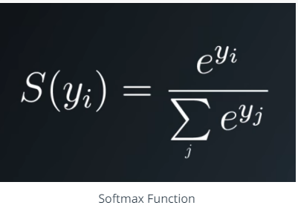
 | Softmax |  |  |  | to assign a probability to each label, which you can then use to classify the data. Use the softmax function to turn your logits into probabilities

 |  |  |  |  | Code : | import numpy as np
 |  |  |  |  |  | def softmax(x):
 |  |  |  |  |  | """Compute softmax values for each sets of scores in x."""
 |  |  |  |  |  | return np.exp(x) / np.sum(np.exp(x), axis=0)

 |  |  |  |  |  | logits = [3.0, 1.0, 0.2]
 |  |  |  |  |  | print(softmax(logits))

 |  |  |  |  |  | Note | In Math, Logit is a function that maps probabilities ( [0, 1] ) to R ( (-inf, inf) )

 | TensorFlow Softmax
 |  | x = tf.nn.softmax([2.0, 1.0, 0.2])

 |  | tf.nn.softmax() implements the softmax function for you. It takes in logits and returns softmax activations.

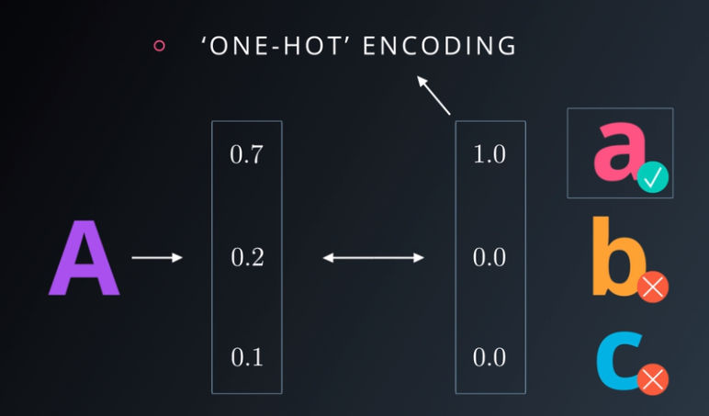
 | One Hot Encoding
 |  |  |  |  |  |  |  | This can be used for small number of classes. But if classes increases , it is hard to encode in 1 and 0's only.

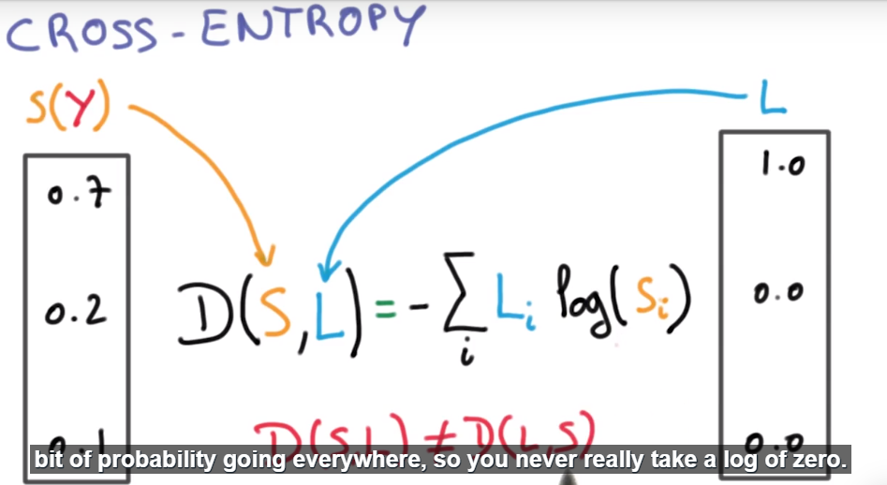
 | Cross-Entropy
 |  |  | S --> Distributions from softmax function
 |  |  | L --> Labels
 |  |  | We are taking log of distributions here

 | Complete flow until now :
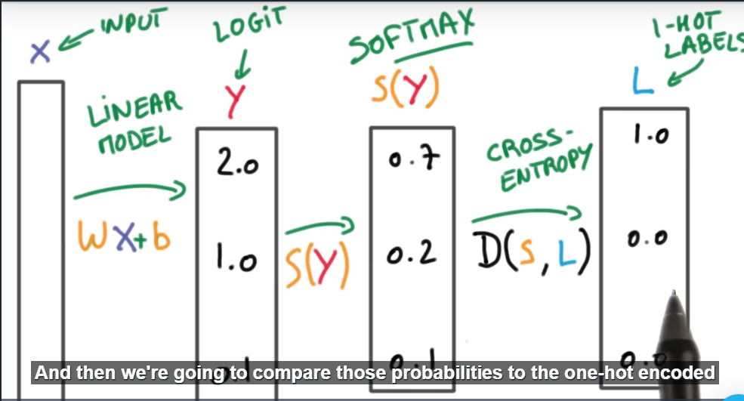
 |  |  |  |  |  |  |  |  |  |  | This complete structure is called as MultiNomial Logistic Classification.

Final Formula for Classifier
 | With Zero Mean and equal variance, it is easier for optimizer to solve the problem
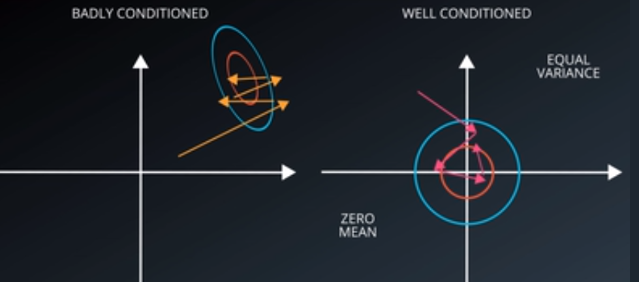

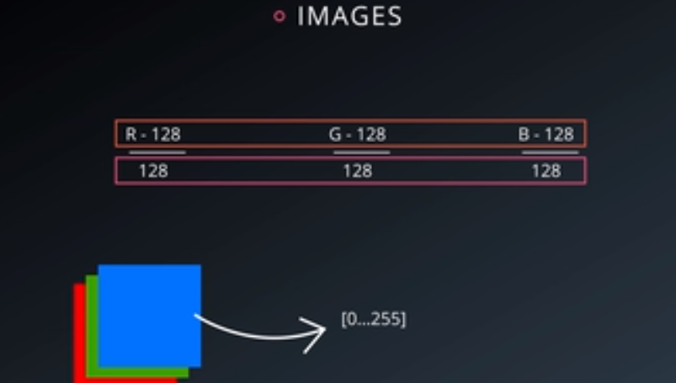
 |  |  |  |  |  |  |  |  |  |  |  | For images, substract 128 and divide 128 . It does not change content of image , but makes easier for optimizer to do its job.

 |  |  |  |  |  |  |  |  |  |  |  | zero mean and unit variance

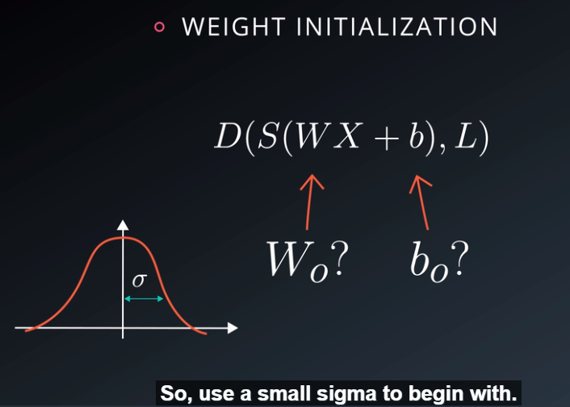
 |  |  |  |  |  |  |  |  |  | Since, we need to select weights and biases at initial stages to start the gradient descent
 |  |  |  |  |  |  |  |  |  | The selection is performed using guassian distribution. Large sigma gives large peaks to distrubution.

 |  |  |  |  |  |  |  |  |  | small sigma means distribution is uncertain about things , so it is good to start and let the optimization becomes more confident as training progresses.

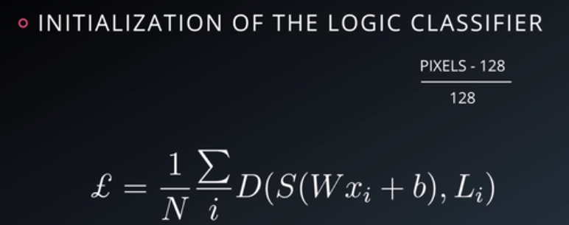
 |  |  |  |  |  |  |  |  |  |  | Formula of the classifier.

 |  |  |  |  |  |  |  |  |  |  | zero mean and unit variance
 |  |  |  |  |  |  |  |  |  |  | W and b by guassian
 |  |  |  |  |  |  |  |  |  |  | S is softmax
 |  |  |  |  |  |  |  |  |  |  | D is distribution using cross entropy
 |  |  |  |  |  |  |  |  |  |  | 1/N is average loss over entire training data

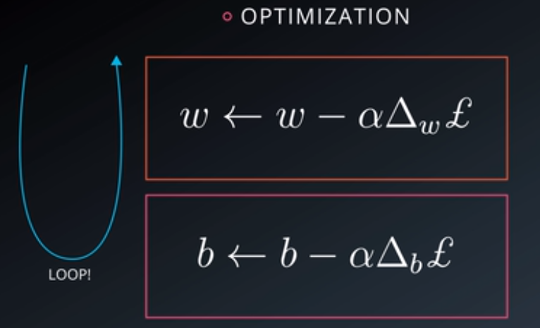
 |  |  |  |  |  |  |  |  |  | This repeats until minimum of loss function Is calculated.

Stochastic Gradient Descent
 | Take small random data set and calculate the error functions. |  |  |  | Compute the loss and derivative for that sample
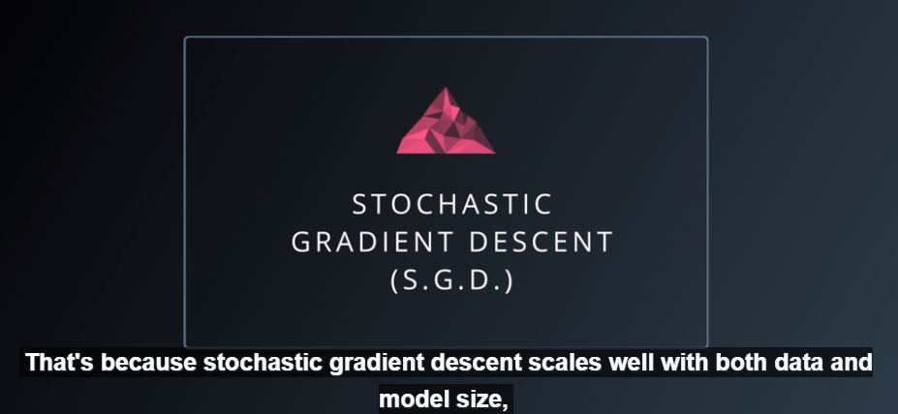

Mini-batching
 | Mini-batching is a technique for training on subsets of the dataset instead of all the data at one time.
 | This provides the ability to train a model, even if a computer lacks the memory to store the entire dataset.

 | Mini-batching is computationally inefficient, since you can't calculate the loss simultaneously across all samples
 | However, this is a small price to pay in order to be able to run the model at all.

 | The idea is to randomly shuffle the data at the start of each epoch, then create the mini-batches.
 | For each mini-batch, you train the network weights with gradient descent
 | Since these batches are random, you're performing SGD with each batch.

 | TensorFlow's tf.placeholder() function to receive the varying batch sizes.
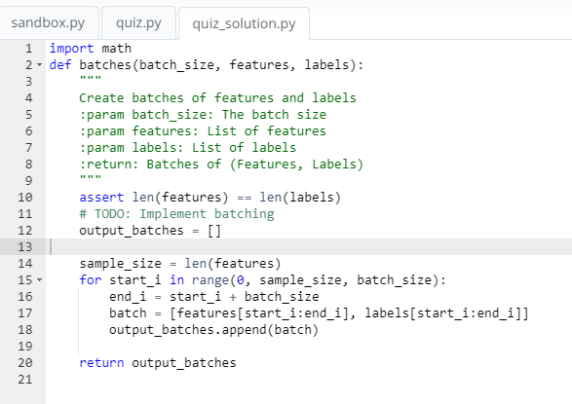
 | Implement the batches function
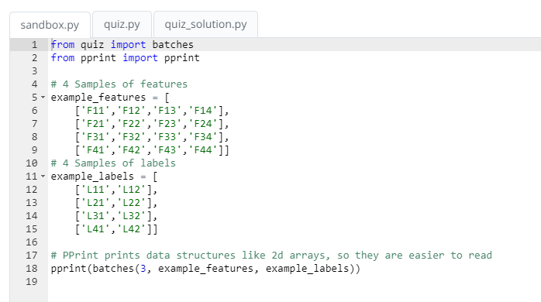

Epochs
 | An epoch is a single forward and backward pass of the whole dataset
 | This is used to increase the accuracy of the model without requiring more data.
 | This section will cover epochs in TensorFlow and how to choose the right number of epochs.

 | Problem solving in below 3 steps
 |  | Problem 1: Normalize the features
 |  | Problem 2: Use TensorFlow operations to create features, labels, weight, and biases tensors
 |  | Problem 3: Tune the learning rate, number of steps, and batch size for the best accuracy

